144_Pins setting
Pin NO. | Pin Name | Function on Firmware | Function on Hardware | Remark | Pin | ADC0 | Pin/Signal Selection | Direction | Fuction | Pin | PTA | Pin/Signal Selection | Direction | Function | Pin | JTAG | Pin/Signal Selection | Direction | Function
1 | PTD1 | LPSPI1/lpspi_sin | EESI | EEPROM SPI 通訊 | 50 | ADC Channel 0 | No pin routed | Input |  | 50 | Pin GPIO 0 | PTA0 | Output |  | 62 | Test Clock | PTC4 | Input
2 | PTD0 | LPSPI1/lpspi_sck/sck | EECLK | EEPROM SPI 通訊 | 49 | ADC Channel 1 | No pin routed | Input |  | 49 | Pin GPIO 1 | PTA1 | Output | V-PG | N | Test Data Input | No pin routed | Input
3 | PTE11 | None | None |  | 38 | ADC Channel 2 | No pin routed | Input |  | 48 | Pin GPIO 2 | PTA2 | Output |  | N | Test Data Output | No pin routed | Output
4 | PTE10 | None | None |  | 37 | ADC Channel 3 | PTA7 | Input |  | N | Pin GPIO 3 | No pin routed | No pin routed |  | 64 | Test Mode Selection | PTA4 | I/O
5 | PTE5 | CAN0/can_tx/txd | CAN0-TX | CAN0通訊 | 34 | ADC Channel 4 | PTB0 | Input |  | N | Pin GPIO 4 | No pin routed | No pin routed |  | Pin | LPI2C0 | Pin/Signal Selection | Direction | Function
6 | PTE4 | CAN0/can_rx/rxd | CAN-RX | CAN0通訊 | 33 | ADC Channel 5 | PTB1 | Input |  | N | Pin GPIO 5 | No pin routed | No pin routed |  | N | I2C Host Request Input | No pin routed | Input
7 | VDD | PowerAndGround/VDD/7 | VDD |  | 32 | ADC Channel 6 | PTB2 | Input | T1 | N | Pin GPIO 6 | PTA6 | Output | EN | N | I2C serial Clock Line | No pin routed | I/O
8 | VDDA | PowerAndGround/VDDA/8 | AVDD |  | 31 | ADC Channel 7 | PTB3 | Input |  | N | Pin GPIO 7 | No pin routed | No pin routed |  | N | I2C Secondary Clock line | No pin routed | I/O
9 | VREFH | PowerAndGround/VREFH/9 | VREFH |  | 26 | ADC Channel 8 | PTC0 | Input | VDD-L | N | Pin GPIO 10 | No pin routed | No pin routed |  | N | I2C Serial Data Line | No pin routed | I/O
10 | VSS | PowerAndGround/VSS/10 | VSS |  | 25 | ADC Channel 9 | No pin routed | Input |  | N | Pin GPIO 11 | No pin routed | No pin routed |  | N | I2C Secondary Data Line | No pin routed | I/O
11 | PTB7 | Platform/extal/15 | XOUT | 外振連接PIN | 21 | ADC Channel 10 | No pin routed | Input |  | N | Pin GPIO 12 | No pin routed | No pin routed |  | Pin | LPSPI0 | Pin/Signal Selection | Direction | Function
12 | PTB6 | Platform/xtal/16 | XIN | 外振連接PIN | 20 | ADC Channel 11 | PTC3 | Input | I-MOTOR | 55 | Pin GPIO 13 | PTA13 | Input | DIAG | 18 | LPSPI Peripheral Chip Select 0 | PTB5 | Not Specified | CS
13 | PTE3 | None | None |  | 30 | ADC Channel 12 | PTC14 | Input | T2 | Pin | PTB | Pin/Signal Selection | Direction | Function | N | LPSPI Peripheral Chip Select 1 | No pin routed | No pin routed
14 | PTD16 | LPSPI0/lpspi_sin | SI | LV8907 SPI 通訊 | 29 | ADC Channel 13 | PTC15 | Input | 12V-FB | N | Pin GPIO 0 | No pin routed | No pin routed |  | N | LPSPI Peripheral Chip Select 2 | No pin routed | No pin routed
15 | PTD15 | LPSPI0/lpspi_sck/sck | SCK | LV8907 SPI 通訊 | 28 | ADC Channel 14 | PTC16 | Input |  | N | Pin GPIO 1 | PTB1 | Input | MCURELAY | 15 | LPSPI Serial Clock | PTD15 | Not Specified | SCK
16 | PTE9 | None | None |  | 27 | ADC Channel 15 | No pin routed | Input |  | N | Pin GPIO 2 | No pin routed | No pin routed |  | 14 | LPSPI Serial Data Input | PTD16 | Not Specified | SI
17 | PTE8 | CMP0/cmp_in/3 | None |  | Pin | CAN0 | Pin/Signal Selection | Direction | Fuction | N | Pin GPIO 3 | No pin routed | No pin routed |  | 19 | LPSPI Serial DataOuput | PTB4 | Not Specified | SO
18 | PTB5 | LPSPI0/lpspi_pcs/0 | CS | LV8907 SPI 通訊 | 6 | CAN Receiver Input | PTE4 | Input | CAN-RX | N | Pin GPIO 4 | No pin routed | No pin routed |  | Pin | LPSPI1 | Pin/Signal Selection | Direction | Function
19 | PTB4 | LPSPI0/lpspi_sout | SO | LV8907 SPI 通訊 | 5 | CAN Transmitter Input | PTE5 | Output | CAN0-TX | N | Pin GPIO 5 | No pin routed | No pin routed |  | 59 | LPSPI Peripheral Chip Select 0 | PTE1 | Not Specified | EECS
20 | PTC3 | ADC0/adc_se/11 | I-MOTOR | Real *10 = (AD)*10)*5*11/10/10/1024 | Pin | CMP0 | Pin/Signal Selection | Direction | Fuction | N | Pin GPIO 6 | No pin routed | No pin routed |  | N | LPSPI Peripheral Chip Select 1 | No pin routed | No pin routed
21 | PTC2 | PTC/port/2 | KEY-OFF | Key OFF = High | N | CMP Comparator Input 0 | PTA0 | Input |  | N | Pin GPIO 7 | No pin routed | No pin routed |  | 2 | LPSPI Serial Clock | PTD0 | Not Specified | EECLK
22 | PTD7 | CMP0/cmp_in/6 | M12VIN | 12V導通 = Low | N | CMP Comparator Input 1 | No pin routed | Input |  | N | Pin GPIO 12 | No pin routed | No pin routed |  | 1 | LPSPI Serial Data Input | PTD1 | Not Specified | EESI
23 | PTD6 | CMP0/cmp_in/7 | None |  | N | CMP Comparator Input 2 | No pin routed | Input |  | N | Pin GPIO 13 | No pin routed | No pin routed |  | 60 | LPSPI Serial DataOuput | PTE0 | Not Specified | EESO
24 | PTD5 | None | None |  | 17 | CMP Comparator Input 3 | PTE8 | Input |  | Pin | PTC | Pin/Signal Selection | Direction | Function | Pin | LPTMR0 | Pin/Signal Selection | Direction | Function
25 | PTC1 | PTC/port/1 | 5V0 | (LV8907 5V High ) = High | 20 | CMP Comparator Input 4 | PTC3 | Input |  | N | Pin GPIO 0 | No pin routed | No pin routed |  | N | LPTMR Pulse counter input 1 | No pin routed | Input
26 | PTC0 | ADC0/adc_se/8 | VDD-L | Real *10 = AD*5*10/1024 | N | CMP Comparator Input 5 | No pin routed | Input |  | 25 | Pin GPIO 1 | PTC1 | Input | 5V0 | N | LPTMR Pulse counter input 2 | No pin routed | Input
27 | PTC17 | ADC0/adc_se/15 | None |  | 22 | CMP Comparator Input 6 | PTD7 | Input |  | 21 | Pin GPIO 2 | PTC2 | Input | KEY-OFF | N | LPTMR Pulse counter input 3 | No pin routed | Input
28 | PTC16 | ADC0/adc_se/14 | None |  | 23 | CMP Comparator Input 7 | PTD6 | Input |  | N | Pin GPIO 3 | No pin routed | No pin routed |  | Pin | LPUART0 | Pin/Signal Selection | Direction | Function
29 | PTC15 | ADC0/adc_se/13 | 12V-FB | Real *10 = (AD+28)*5*10*4/1024 | N | CMP Comparator Outout | No pin routed | Input |  | N | Pin GPIO 4(JTAG) | No pin routed | No pin routed |  | N | LPUART Clear to Send | No pin routed | Input
30 | PTC14 | ADC0/adc_se/12 | T2 | Look_up Table | N | CMP Round Robin Port Output Trigger | No pin routed | Output |  | N | Pin GPIO 5(JTAG) | No pin routed | No pin routed |  | N | LPUART Request to Send | No pin routed | Output
31 | PTB3 | ADC0/adc_se/7 | None |  | Pin | FLEXIO | Pin/Signal Selection | Direction | Fuction | 53 | Pin GPIO 6 | PTC6 | No pin routed |  | N | LPUART Receive Data | No pin routed | Input
32 | PTB2 | ADC0/adc_se/6 | T1 | Look up Table | N | Data Pin 0 | No pin routed | I/O |  | N | Pin GPIO 7 | No pin routed | No pin routed |  | N | LPUART Transmit Data | No pin routed | No pin routed
33 | PTB1 | PTB/port/1 | MCURELAY | 舉High = 12V導通 | N | Data Pin 1 | No pin routed | I/O |  | 36 | Pin GPIO 8 | PTC8 | No pin routed |  | Pin | LPUART1 | Pin/Signal Selection | Direction | Function
34 | PTB0 | ADC0/adc_se/4 | None |  | N | Data Pin 2 | No pin routed | I/O |  | 35 | Pin GPIO 9 | PTC9 | No pin routed |  | N | LPUART Clear to Send | No pin routed | Input
35 | PTC9 | PTC9 | None |  | N | Data Pin 3 | No pin routed | I/O |  | N | Pin GPIO 14 | No pin routed | No pin routed |  | N | LPUART Request to Send | No pin routed | Output
36 | PTC8 | PTC8 | None |  | N | Data Pin 4 | No pin routed | I/O |  | N | Pin GPIO 15 | No pin routed | No pin routed |  | N | LPUART Receive Data | No pin routed | Input
37 | PTA7 | ADC0/adc_se/3 | None |  | N | Data Pin 5 | No pin routed | I/O |  | N | Pin GPIO 16 | No pin routed | No pin routed |  | N | LPUART Transmit Data | No pin routed | No pin routed
38 | PTA6 | ADC0/adc_se/2 | EN | LV8907 EN Pin | N | Data Pin 6 | No pin routed | I/O |  | 27 | Pin GPIO 17 | PTC17 | No pin routed |  | Pin | Platform | Pin/Signal Selection | Direction | Function
39 | PTE7 | None | None |  | N | Data Pin 7 | No pin routed | I/O |  | Pin | PTD | Pin/Signal Selection | Direction | Function | N | Clock Output | No pin routed | Output
40 | VSS | PowerAndGround/VDD/40 | VSS |  | Pin | FTM0 | Pin/Signal Selection | Direction | Fuction | N | Pin GPIO 0 | No pin routed | No pin routed |  | N | Clock Output | No pin routed | Output
41 | VDD | PowerAndGround/VDDA/41 | VDD |  |  | FTM Channel 0 | PTB12 | Output | PWM | N | Pin GPIO 1 | No pin routed | No pin routed |  | N | Non-Maskable Interrupt | No pin routed | Input
42 | PTB13 | ADC1/adc_se/8 | None |  |  | FTM Channel 1 | No pin routed | No pin routed |  | 46 | Pin GPIO 2 | PTD2 | Output |  | 63 | Reset | PTA5 | Output
43 | PTB12 | FTM0/ftm_ch/0 | PWM | Output 1KHz 50%duty |  | FTM Channel 2 | No pin routed | No pin routed |  | N | Pin GPIO 3 | No pin routed | No pin routed |  | 9 | Voltage Reference High | VREFH | Input
44 | PTD4 | ADC1/adc_se/6 | None |  |  | FTM Channel 3 | No pin routed | No pin routed |  | N | Pin GPIO 4 | No pin routed | No pin routed |  | 11 | EXTAL | PTB7 | Input
45 | PTD3 | ADC1/adc_se/3 | VDD-L |  |  | FTM Channel 4 | No pin routed | No pin routed |  | N | Pin GPIO 5 | No pin routed | No pin routed |  | 12 | XTAL | PTB6 | Output
46 | PTD2 | ADC1/adc_se/2 | None |  |  | FTM Channel 5 | No pin routed | No pin routed |  | N | Pin GPIO 6 | No pin routed | No pin routed |  | Pin | PowerAndGround | Pin/Signal Selection | Direction | Function
47 | PTA3 | ADC1/adc_se/1 | None |  |  | FTM Channel 6 | No pin routed | No pin routed |  | N | Pin GPIO 7 | PTD7 | Input | M12VIN | 7 | Supply Voltage | VDD7 | Input
48 | PTA2 | ADC1/adc_se/0 | None |  |  | FTM Channel 7 | No pin routed | No pin routed |  | N | Pin GPIO 15 | No pin routed | No pin routed |  | 41 | Supply Voltage | VDD41 | Input
49 | PTA1 | PTA1 | V-PG | XCL230若正常則常High ，5V不正常則Low |  | FTM Fault Input 0 | No pin routed | Input |  | N | Pin GPIO 16 | No pin routed | No pin routed |  | 8 | Analogue Supply Voltage | VDDA | Input
50 | PTA0 | PTA0 | None |  |  | FTM Fault Input 1 | No pin routed | Input |  | Pin | PTE | Pin/Signal Selection | Direction | Function | 9 | ADC Reference Supply High | VREFH | Input
51 | PTC7 | ADC1/adc_se/5 | None |  |  | FTM Fault Input 2 | No pin routed | Input |  | N | Pin GPIO 0 | No pin routed | No pin routed |  | 10 | Supply Ground | VSS10 | Output
52 | PTC6 | ADC1/adc_se/4 | None |  |  | FTM Fault Input 3 | No pin routed | Input |  | N | Pin GPIO 1 | No pin routed | No pin routed |  | 40 | Supply Ground | VSS40 | Output
53 | PTE6 | PTE6 | SELF-P | 自保持(20 * 100ms) |  | FTM Common External Clock Input 0 | No pin routed | Input |  | N | Pin GPIO 2 | No pin routed | No pin routed |  | Pin | RTC | Pin/Signal Selection | Direction | Function
54 | PTE2 | ADC1/adc_se/10 | None |  |  | FTM Common External Clock Input 1 | No pin routed | Input |  | N | Pin GPIO 3 | No pin routed | No pin routed |  | N | RTC Clock Input | No pin routed | Input
55 | PTA13 | PTA13 | DIAG | LV8907 ERROR 總FLAG |  | FTM Common External Clock Input 2 | No pin routed | Input |  | N | Pin GPIO 4 | No pin routed | No pin routed |  | N | RTC Clock Output | No pin routed | Output
56 | PTA12 | FTM1/ftm_ch/6 | FG | 每一電氣週期一個count(LV8907設定) | Pin | FTM1 | Pin/Signal Selection | Direction | Fuction | N | Pin GPIO 5 | No pin routed | No pin routed |  | Pin | SWD | Pin/Signal Selection | Direction | Function
57 | PTA11 | None | None |  |  | FTM Channel 0 | No pin routed | No pin routed |  | 53 | Pin GPIO 6 | PTE6 | Output | SELF-P | 62 | Clock | PTC4 | Input
58 | PTA10 | JTAG/jtag_tdo | None |  |  | FTM Channel 1 | No pin routed | No pin routed |  | N | Pin GPIO 7 | No pin routed | No pin routed |  | 64 | Data Input/Output | PTA4 | I/O
59 | PTE1 | LPSPI1/lpspi_pcs/0 | EECS | EEPROM SPI 通訊 |  | FTM Channel 2 | No pin routed | No pin routed |  | N | Pin GPIO 8 | No pin routed | No pin routed |  | Pin | TRGMUX | Pin/Signal Selection | Direction | Function
60 | PTE0 | LPSPI1/lpspi_sout | EESO | EEPROM SPI 通訊 |  | FTM Channel 3 | No pin routed | No pin routed |  | N | Pin GPIO 9 | No pin routed | No pin routed |  | N | TRGMUX Input 0 | No pin routed | Input
61 | PTC5 | JTAG/jtag_tdi | None |  |  | FTM Channel 4 | No pin routed | No pin routed |  | N | Pin GPIO 10 | No pin routed | No pin routed |  | N | TRGMUX Input 1 | No pin routed | Input
62 | PTC4 | None | SW-CLK |  |  | FTM Channel 5 | No pin routed | No pin routed |  | N | Pin GPIO 11 | No pin routed | No pin routed |  | N | TRGMUX Input 2 | No pin routed | Input
63 | PTA5 | Platform/RESET_b/97 | RESET |  |  | FTM Channel 6 | PTA12 | Input | FG |  |  |  |  |  | N | TRGMUX Input 3 | No pin routed | Input
64 | PTA4 | None | SW-DIO |  |  | FTM Channel 7 | No pin routed | No pin routed |  |  |  |  |  |  | N | TRGMUX Input 4 | No pin routed | Input
 |  |  |  |  |  | FTM Fault Input 0 | No pin routed | No pin routed |  |  |  |  |  |  | N | TRGMUX Input 5 | No pin routed | Input
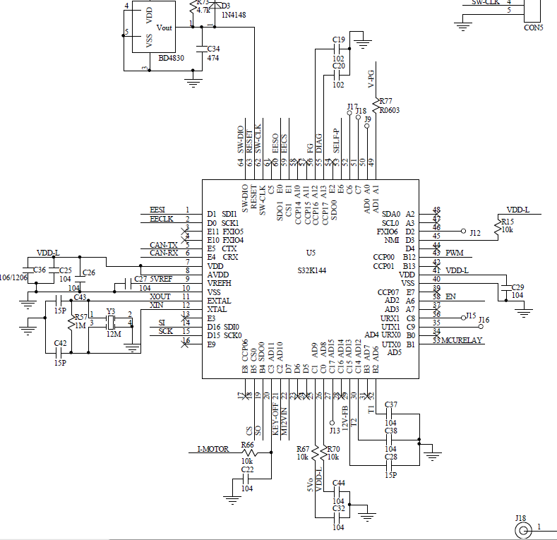
 |  |  |  |  |  | FTM Fault Input 1 | No pin routed | Input |  |  |  |  |  |  | N | TRGMUX Input 6 | No pin routed | Input
 |  |  |  |  |  | FTM Fault Input 2 | No pin routed | Input |  |  |  |  |  |  | N | TRGMUX Input 7 | No pin routed | Input
 |  |  |  |  |  | FTM Fault Input 3 | No pin routed | Input |  |  |  |  |  |  | N | TRGMUX Input 8 | No pin routed | Input
 |  |  |  |  |  | FTM Common External Clock Input 0 | No pin routed | Input |  |  |  |  |  |  | N | TRGMUX Input 9 | No pin routed | Input
 |  |  |  |  |  | FTM Common External Clock Input 1 | No pin routed | Input |  |  |  |  |  |  | N | TRGMUX Output 0 | No pin routed | Output
 |  |  |  |  |  | FTM Common External Clock Input 2 | No pin routed | Input |  |  |  |  |  |  | N | TRGMUX Output 1 | No pin routed | Output
 |  |  |  |  |  |  |  |  |  |  |  |  |  |  | N | TRGMUX Output 2 | No pin routed | Output
 |  |  |  |  |  |  |  |  |  |  |  |  |  |  | N | TRGMUX Output 3 | No pin routed | Output
 |  |  |  |  |  |  |  |  |  |  |  |  |  |  | N | TRGMUX Output 4 | No pin routed | Output
 |  |  |  |  |  |  |  |  |  |  |  |  |  |  | N | TRGMUX Output 5 | No pin routed | Output

118_Pins setting
Pin NO. | Pin Name | Function on Firmware | Function on Hardware | Remark | Pin | ADC0 | Pin/Signal Selection | Direction | Fuction | Pin | PTA | Pin/Signal Selection | Direction | Function | Pin | JTAG | Pin/Signal Selection | Direction | Function
1 | PTD1 | LPSPI1/lpspi_sin | EESI | EEPROM SPI 通訊 | 50 | ADC Channel 0 | No pin routed | Input |  | 50 | Pin GPIO 0 | PTA0 | Output |  | 62 | Test Clock | PTC4 | Input
2 | PTD0 | LPSPI1/lpspi_sck/sck | EECLK | EEPROM SPI 通訊 | 49 | ADC Channel 1 | No pin routed | Input |  | 49 | Pin GPIO 1 | PTA1 | Output |  | N | Test Data Input | No pin routed | Input
3 | PTE11 | None | None |  | 38 | ADC Channel 2 | PTA6 | Input |  | 48 | Pin GPIO 2 | PTA2 | Output |  | N | Test Data Output | No pin routed | Output
4 | PTE10 | None | None |  | 37 | ADC Channel 3 | PTA7 | Input |  | N | Pin GPIO 3 | No pin routed | No pin routed |  | 64 | Test Mode Selection | PTA4 | I/O
5 | PTE5 | CAN0/can_tx/txd | CAN0-TX | CAN0通訊 | 34 | ADC Channel 4 | PTB0 | Input |  | N | Pin GPIO 4 | No pin routed | No pin routed |  | Pin | LPI2C0 | Pin/Signal Selection | Direction | Function
6 | PTE4 | CAN0/can_rx/rxd | CAN-RX | CAN0通訊 | 33 | ADC Channel 5 | PTB1 | Input |  | N | Pin GPIO 5 | No pin routed | No pin routed |  | N | I2C Host Request Input | No pin routed | Input
7 | VDD | PowerAndGround/VDD/7 | VDD |  | 32 | ADC Channel 6 | PTB2 | Input | MosTemp1 | N | Pin GPIO 6 | No pin routed | No pin routed |  | N | I2C serial Clock Line | No pin routed | I/O
8 | VDDA | PowerAndGround/VDDA/8 | AVDD |  | 31 | ADC Channel 7 | PTB3 | Input |  | N | Pin GPIO 7 | No pin routed | No pin routed |  | N | I2C Secondary Clock line | No pin routed | I/O
9 | VREFH | PowerAndGround/VREFH/9 | VREFH |  | 26 | ADC Channel 8 | PTC0 | Input | VDD-L | N | Pin GPIO 10 | No pin routed | No pin routed |  | N | I2C Serial Data Line | No pin routed | I/O
10 | VSS | PowerAndGround/VSS/10 | VSS |  | 25 | ADC Channel 9 | No pin routed | Input |  | N | Pin GPIO 11 | No pin routed | No pin routed |  | N | I2C Secondary Data Line | No pin routed | I/O
11 | PTB7 | None | EXTAL | 外振連接PIN | 21 | ADC Channel 10 | No pin routed | Input |  | N | Pin GPIO 12 | No pin routed | No pin routed |  | Pin | LPSPI0 | Pin/Signal Selection | Direction | Function
12 | PTB6 | None | XTAL | 外振連接PIN | 20 | ADC Channel 11 | PTC3 | Input |  | 55 | Pin GPIO 13 | PTA13 | Input |  | 18 | LPSPI Peripheral Chip Select 0 | PTB5 | Not Specified
13 | PTE3 | None | None |  | 30 | ADC Channel 12 | PTC14 | Input | MosTemp2 | Pin | PTB | Pin/Signal Selection | Direction | Function | N | LPSPI Peripheral Chip Select 1 | No pin routed | No pin routed
14 | PTD16 | LPSPI0/lpspi_sin | SI | LV8907 SPI 通訊 | 29 | ADC Channel 13 | PTC15 | Input |  | N | Pin GPIO 0 | No pin routed | No pin routed |  | N | LPSPI Peripheral Chip Select 2 | No pin routed | No pin routed
15 | PTD15 | LPSPI0/lpspi_sck/sck | SCK | LV8907 SPI 通訊 | 28 | ADC Channel 14 | PTC16 | Input |  | N | Pin GPIO 1 | No pin routed | No pin routed |  | 15 | LPSPI Serial Clock | PTD15 | Not Specified
16 | PTE9 | None | None |  | 27 | ADC Channel 15 | No pin routed | Input |  | N | Pin GPIO 2 | No pin routed | No pin routed |  | 14 | LPSPI Serial Data Input | PTD16 | Not Specified
17 | PTE8 | CMP0/cmp_in/3 | None |  | Pin | CAN0 | Pin/Signal Selection | Direction | Fuction | N | Pin GPIO 3 | No pin routed | No pin routed |  | 19 | LPSPI Serial DataOuput | PTB4 | Not Specified
18 | PTB5 | LPSPI0/lpspi_pcs/0 | CS | LV8907 SPI 通訊 | 6 | CAN Receiver Input | PTE4 | Input |  | N | Pin GPIO 4 | No pin routed | No pin routed |  | Pin | LPSPI1 | Pin/Signal Selection | Direction | Function
19 | PTB4 | LPSPI0/lpspi_sout | SO | LV8907 SPI 通訊 | 5 | CAN Transmitter Input | PTE5 | Output |  | N | Pin GPIO 5 | No pin routed | No pin routed |  | 59 | LPSPI Peripheral Chip Select 0 | PTE1 | Not Specified | EECS
20 | PTC3 | ADC0/adc_se/11 | I-MOTOR100 | Real *10 = (AD)*10)*5*11/10/10/1024 | Pin | CMP0 | Pin/Signal Selection | Direction | Fuction | N | Pin GPIO 6 | No pin routed | No pin routed |  | N | LPSPI Peripheral Chip Select 1 | No pin routed | No pin routed
21 | PTC2 | PTC/port/2 | KEY-OFF | Key OFF = High | N | CMP Comparator Input 0 | No pin routed | Input |  | N | Pin GPIO 7 | No pin routed | No pin routed |  | 2 | LPSPI Serial Clock | PTD0 | Not Specified | EECLK
22 | PTD7 | CMP0/cmp_in/6 | None |  | N | CMP Comparator Input 1 | No pin routed | Input |  | N | Pin GPIO 12 | No pin routed | No pin routed |  | 1 | LPSPI Serial Data Input | PTD1 | Not Specified | EESI
23 | PTD6 | CMP0/cmp_in/7 | None |  | N | CMP Comparator Input 2 | No pin routed | Input |  | N | Pin GPIO 13 | No pin routed | No pin routed |  | 60 | LPSPI Serial DataOuput | PTE0 | Not Specified | EESO
24 | PTD5 | None | None |  | 17 | CMP Comparator Input 3 | PTE8 | Input |  | Pin | PTC | Pin/Signal Selection | Direction | Function | Pin | LPTMR0 | Pin/Signal Selection | Direction | Function
25 | PTC1 | PTC/port/1 | 5V0 | (LV8907 5V High ) = High | 20 | CMP Comparator Input 4 | PTC3 | Input |  | N | Pin GPIO 0 | No pin routed | No pin routed |  | N | LPTMR Pulse counter input 1 | No pin routed | Input
26 | PTC0 | ADC0/adc_se/8 | VDD-L | Real *10 = AD*5*10/1024 | N | CMP Comparator Input 5 | No pin routed | Input |  | 25 | Pin GPIO 1 | PTC1 | Input |  | N | LPTMR Pulse counter input 2 | No pin routed | Input
27 | PTC17 | PTC/port/17 | None |  | 22 | CMP Comparator Input 6 | PTD7 | Input |  | 21 | Pin GPIO 2 | PTC2 | Input |  | N | LPTMR Pulse counter input 3 | No pin routed | Input
28 | PTC16 | ADC0/adc_se/14 | None |  | 23 | CMP Comparator Input 7 | PTD6 | Input |  | N | Pin GPIO 3 | No pin routed | No pin routed |  | Pin | LPUART0 | Pin/Signal Selection | Direction | Function
29 | PTC15 | ADC0/adc_se/13 | 12V-FB | Real *10 = (AD+28)*5*10*4/1024 | N | CMP Comparator Outout | No pin routed | Input |  | N | Pin GPIO 4(JTAG) | No pin routed | No pin routed |  | N | LPUART Clear to Send | No pin routed | Input
30 | PTC14 | ADC0/adc_se/12 | T2 | Look_up Table | N | CMP Round Robin Port Output Trigger | No pin routed | Output |  | N | Pin GPIO 5(JTAG) | No pin routed | No pin routed |  | N | LPUART Request to Send | No pin routed | Output
31 | PTB3 | ADC0/adc_se/7 | None |  | Pin | FLEXIO | Pin/Signal Selection | Direction | Fuction | 53 | Pin GPIO 6 | PTC6 | Output |  | N | LPUART Receive Data | No pin routed | Input
32 | PTB2 | ADC0/adc_se/6 | T1 | Look up Table | N | Data Pin 0 | No pin routed | I/O |  | N | Pin GPIO 7 | No pin routed | No pin routed |  | N | LPUART Transmit Data | No pin routed | No pin routed
33 | PTB1 | ADC0/adc_se/5 | None |  | N | Data Pin 1 | No pin routed | I/O |  | 36 | Pin GPIO 8 | PTC8 | No pin routed |  | Pin | LPUART1 | Pin/Signal Selection | Direction | Function
34 | PTB0 | ADC0/adc_se/4 | None |  | N | Data Pin 2 | No pin routed | I/O |  | 35 | Pin GPIO 9 | PTC9 | No pin routed |  | N | LPUART Clear to Send | No pin routed | Input
35 | PTC9 | PTC9 | None |  | N | Data Pin 3 | No pin routed | I/O |  | N | Pin GPIO 14 | No pin routed | No pin routed |  | N | LPUART Request to Send | No pin routed | Output
36 | PTC8 | PTC8 | None |  | N | Data Pin 4 | No pin routed | I/O |  | N | Pin GPIO 15 | No pin routed | No pin routed |  | N | LPUART Receive Data | No pin routed | Input
37 | PTA7 | ADC0/adc_se/3 | None |  | N | Data Pin 5 | No pin routed | I/O |  | N | Pin GPIO 16 | No pin routed | No pin routed |  | N | LPUART Transmit Data | No pin routed | No pin routed
38 | PTA6 | ADC0/adc_se/2 | None |  | N | Data Pin 6 | No pin routed | I/O |  | 27 | Pin GPIO 17 | PTC17 | No pin routed |  | Pin | Platform | Pin/Signal Selection | Direction | Function
39 | PTE7 | None | None |  | N | Data Pin 7 | No pin routed | I/O |  | Pin | PTD | Pin/Signal Selection | Direction | Function | N | Clock Output | No pin routed | Output
40 | VSS | PowerAndGround/VDD/40 | VSS |  | Pin | FTM0 | Pin/Signal Selection | Direction | Fuction | N | Pin GPIO 0 | No pin routed | No pin routed |  | N | Clock Output | No pin routed | Output
41 | VDD | PowerAndGround/VDDA/41 | VDD |  |  | FTM Channel 0 | PTB12 | Output |  | N | Pin GPIO 1 | No pin routed | No pin routed |  | N | Non-Maskable Interrupt | No pin routed | Input
42 | PTB13 | None | None |  |  | FTM Channel 1 | No pin routed | No pin routed |  | 46 | Pin GPIO 2 | PTD2 | Output |  | 63 | Reset | PTA5 | Output
43 | PTB12 | FTM0_CH0 | PWM | Output 1KHz 50%duty |  | FTM Channel 2 | No pin routed | No pin routed |  | N | Pin GPIO 3 | No pin routed | No pin routed |  | Pin | PowerAndGround | Pin/Signal Selection | Direction | Function
44 | PTD4 | None | None |  |  | FTM Channel 3 | No pin routed | No pin routed |  | N | Pin GPIO 4 | No pin routed | No pin routed |  | 7 | Supply Voltage | VDD7 | Input
45 | PTD3 | None | VDD-L |  |  | FTM Channel 4 | No pin routed | No pin routed |  | N | Pin GPIO 5 | No pin routed | No pin routed |  | 41 | Supply Voltage | VDD41 | Input
46 | PTD2 | PTD2 | None |  |  | FTM Channel 5 | No pin routed | No pin routed |  | N | Pin GPIO 6 | No pin routed | No pin routed |  | 8 | Analogue Supply Voltage | VDDA | Input
47 | PTA3 | None | None |  |  | FTM Channel 6 | No pin routed | No pin routed |  | N | Pin GPIO 7 | No pin routed | No pin routed |  | 9 | ADC Reference Supply High | VREFH | Input
48 | PTA2 | PTA2 | MCURELAY | 舉High = 12V導通 |  | FTM Channel 7 | No pin routed | No pin routed |  | N | Pin GPIO 15 | No pin routed | No pin routed |  | 10 | Supply Ground | VSS10 | Output
49 | PTA1 | PTA1 | None |  |  | FTM Fault Input 0 | No pin routed | Input |  | N | Pin GPIO 16 | No pin routed | No pin routed |  | 40 | Supply Ground | VSS40 | Output
50 | PTA0 | PTA0 | None |  |  | FTM Fault Input 1 | No pin routed | Input |  | Pin | PTE | Pin/Signal Selection | Direction | Function | Pin | RTC | Pin/Signal Selection | Direction | Function
51 | PTC7 | None | None |  |  | FTM Fault Input 2 | No pin routed | Input |  | N | Pin GPIO 0 | No pin routed | No pin routed |  | N | RTC Clock Input | No pin routed | Input
52 | PTC6 | PTC6 | EN | LV8907 EN Pin |  | FTM Fault Input 3 | No pin routed | Input |  | N | Pin GPIO 1 | No pin routed | No pin routed |  | N | RTC Clock Output | No pin routed | Output
53 | PTE6 | PTE6 | SELF-P | 自保持(20 * 100ms) |  | FTM Common External Clock Input 0 | No pin routed | Input |  | N | Pin GPIO 2 | No pin routed | No pin routed |  | Pin | SWD | Pin/Signal Selection | Direction | Function
54 | PTE2 | None | None |  |  | FTM Common External Clock Input 1 | No pin routed | Input |  | N | Pin GPIO 3 | No pin routed | No pin routed |  | 62 | Clock | PTC4 | Input
55 | PTA13 | PTA13 | DIAG | LV8907 ERROR 總FLAG |  | FTM Common External Clock Input 2 | No pin routed | Input |  | N | Pin GPIO 4 | No pin routed | No pin routed |  | 64 | Data Input/Output | PTA4 | I/O
56 | PTA12 | FTM1_CH6 | FG | 每一電氣週期一個count(LV8907設定) | Pin | FTM1 | Pin/Signal Selection | Direction | Fuction | N | Pin GPIO 5 | No pin routed | No pin routed |  | Pin | TRGMUX | Pin/Signal Selection | Direction | Function
57 | PTA11 | None | None |  |  | FTM Channel 0 | No pin routed | No pin routed |  | 53 | Pin GPIO 6 | PTE6 | Output |  | N | TRGMUX Input 0 | No pin routed | Input
58 | PTA10 | None | None |  |  | FTM Channel 1 | No pin routed | No pin routed |  | N | Pin GPIO 7 | No pin routed | No pin routed |  | N | TRGMUX Input 1 | No pin routed | Input
59 | PTE1 | LPSPI1/lpspi_pcs/0 | EECS | EEPROM SPI 通訊 |  | FTM Channel 2 | No pin routed | No pin routed |  | N | Pin GPIO 8 | No pin routed | No pin routed |  | N | TRGMUX Input 2 | No pin routed | Input
60 | PTE0 | LPSPI1/lpspi_sout | EESO | EEPROM SPI 通訊 |  | FTM Channel 3 | No pin routed | No pin routed |  | N | Pin GPIO 9 | No pin routed | No pin routed |  | N | TRGMUX Input 3 | No pin routed | Input
61 | PTC5 | None | None |  |  | FTM Channel 4 | No pin routed | No pin routed |  | N | Pin GPIO 10 | No pin routed | No pin routed |  | N | TRGMUX Input 4 | No pin routed | Input
62 | PTC4 | None | SW-CLK |  |  | FTM Channel 5 | No pin routed | No pin routed |  | N | Pin GPIO 11 | No pin routed | No pin routed |  | N | TRGMUX Input 5 | No pin routed | Input
63 | PTA5 | None | RESET |  |  | FTM Channel 6 | PTA12 | Input |  |  |  |  |  |  | N | TRGMUX Input 6 | No pin routed | Input
64 | PTA4 | None | SW-DIO |  |  | FTM Channel 7 | No pin routed | No pin routed |  |  |  |  |  |  | N | TRGMUX Input 7 | No pin routed | Input
 |  |  |  |  |  | FTM Fault Input 0 | No pin routed | No pin routed |  |  |  |  |  |  | N | TRGMUX Input 8 | No pin routed | Input
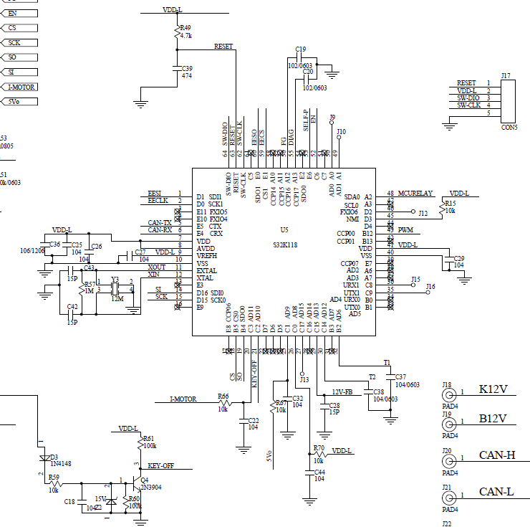
 |  |  |  |  |  | FTM Fault Input 1 | No pin routed | Input |  |  |  |  |  |  | N | TRGMUX Input 9 | No pin routed | Input
 |  |  |  |  |  | FTM Fault Input 2 | No pin routed | Input |  |  |  |  |  |  | N | TRGMUX Output 0 | No pin routed | Output
 |  |  |  |  |  | FTM Fault Input 3 | No pin routed | Input |  |  |  |  |  |  | N | TRGMUX Output 1 | No pin routed | Output
 |  |  |  |  |  | FTM Common External Clock Input 0 | No pin routed | Input |  |  |  |  |  |  | N | TRGMUX Output 2 | No pin routed | Output
 |  |  |  |  |  | FTM Common External Clock Input 1 | No pin routed | Input |  |  |  |  |  |  | N | TRGMUX Output 3 | No pin routed | Output
 |  |  |  |  |  | FTM Common External Clock Input 2 | No pin routed | Input |  |  |  |  |  |  | N | TRGMUX Output 4 | No pin routed | Output
 |  |  |  |  |  |  |  |  |  |  |  |  |  |  | N | TRGMUX Output 5 | No pin routed | Output

118_ADC_convert
12V-FB | AD值 | MCU 實際值 | 縮小前量測電壓值 | 過Diode前電壓值 | 過Diode前電壓值*10 | I-MOTOR | AD值 | MCU 實際值 | 上限電壓*10 | 上限電壓 | 安培A | 安培A*10
對照表 | 1024 | 5 | 20 | 20.55 | 205.5 | 對照表 | 232.72727273 | 1.1363636364 | 1.25 | 0.125 | 12.5 | 125
REAL*10換算AD | 586.24 | 2.8625 | 11.45 | 12 | 120 | REAL*10換算AD | 93.090909091 | 0.45454545455 | 0.5 | 0.05 | 5 | 50
AD間接換算REAL*10 | 1024 | 5 | 20 | 20.55 | 205.5 | AD間接換算REAL*10 | 232 | 1.1328125 | 1.24609375 | 0.124609375 | 12.4609375 | 124.609375
AD直接換算REAL*10 | 1024 |  |  |  | 205.46875 | AD直接換算REAL*10 | 1 |  |  |  |  | 0.537109375
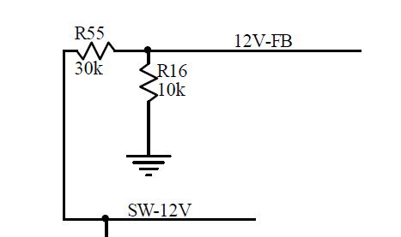
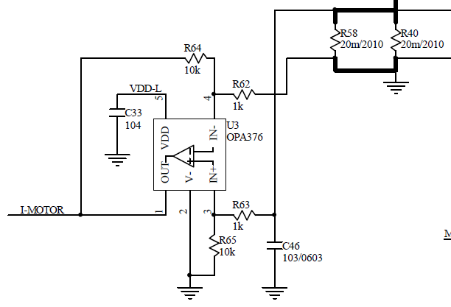

12V有0.25的倍率與diode

I-MOTOR有10的倍率與損失10/11

5V沒有0.25的倍率與diode
VDD-L | AD值 | MCU 實際值 | 實際電壓值 | 電壓值*10
對照表 | 1024 | 5 | 5 | 50
REAL*10換算AD | 1024 | 5 | 5 | 50
AD間接換算REAL*10 | 1024 | 5 | 5 | 50
AD直接換算REAL*10 | 1024 |  |  | 50

Memery set
